design_table
F_priority_scheme | F_number_of_agents | F_hard_ceiling | F_ceiling_value | F_burn_in | F_days | F_NPS_dist_bias | F_tNPS_wtime_effect_bias | startdate | repetition | closed_avg_simulated_NPS | closed_avg_simulated_throughput_time | closed_avg_predicted_NPS | closed_avg_predicted_throughput_time | closed_avg_predicted_NPS_priority | closed_avg_initial_delay | closed_avg_activity_start_delay | closed_avg_duration_delayed | all_avg_simulated_NPS | all_avg_simulated_throughput_time | all_avg_predicted_NPS | all_avg_predicted_throughput_time | all_avg_predicted_NPS_priority | all_avg_initial_delay | all_avg_activity_start_delay | all_avg_duration_delayed | cases_arrived | cases_closed | case_queued | cases_assigned_at_end | min_tracelen | max_tracelen | Simulation_duration_min | RUN | Done
NPS | 3 | NONE | 2.5 | 0 | 50 | 0 | 1 | 2018-07-01 | 0 | -1 | -1 | -1 | -1 | -1 | -1 | -1 | -1 | -1 | -1 | -1 | -1 | -1 | -1 | -1 | -1 | -1 | -1 | -1 | -1 | -1 | -1 | -1 | 0 | 0
SRTF | 3 | NONE | 2.5 | 0 | 50 | 0 | 1 | 2018-07-01 | 0 | -1 | -1 | -1 | -1 | -1 | -1 | -1 | -1 | -1 | -1 | -1 | -1 | -1 | -1 | -1 | -1 | -1 | -1 | -1 | -1 | -1 | -1 | -1 | 1 | 0
LRTF | 3 | NONE | 2.5 | 0 | 50 | 0 | 1 | 2018-07-01 | 0 | -1 | -1 | -1 | -1 | -1 | -1 | -1 | -1 | -1 | -1 | -1 | -1 | -1 | -1 | -1 | -1 | -1 | -1 | -1 | -1 | -1 | -1 | -1 | 2 | 0
FCFS | 3 | NONE | 2.5 | 0 | 50 | 0 | 1 | 2018-07-01 | 0 | -1 | -1 | -1 | -1 | -1 | -1 | -1 | -1 | -1 | -1 | -1 | -1 | -1 | -1 | -1 | -1 | -1 | -1 | -1 | -1 | -1 | -1 | -1 | 3 | 0
 |  |  |  |  |  | additive | multiplicative

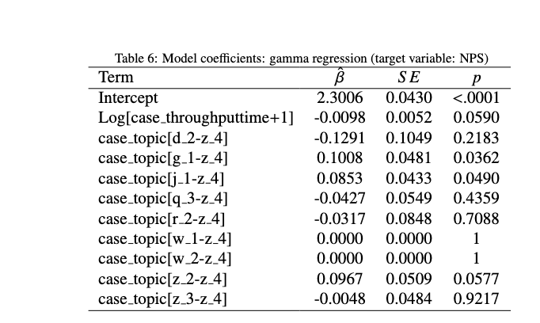
 |  |  |  |  |  | Same equation: dist bias is

 |  |  |  |  |  | Range | Range
 |  |  |  |  |  | 1 | 1
 |  |  |  |  |  | -1 | 1.5
 |  |  |  |  |  |  | 2
 |  |  |  |  |  |  | 2.5

 |  |  |  |  |  | What to do with the distribution afterwards
 |  |  |  |  |  | Does this just increase the variance? (important to measure this)
 |  |  |  |  |  | Will we have to change the denominator in the gamma dist

Related: how to change the unstandardized coefficient in a gamma regression to a standardized (correlation) coefficient?
 |  |  |  |  |  | Assessing the model / Generalization storytelling
 |  |  |  |  |  | What correlation coefficient is the changes to the beta in study 3 equivalent to?

 |  |  |  |  |  | How much do we need to change the correlation to see a change?

